Dashboard
Language
 | Total
Deutsch | 111
English (United States)‎ | 102

Academic course helped in acquiring soft skills
 | Strongly agree | Agree | Somewhat agree | Neutral | Somewhat disagree | Disagree | Strongly disagree
Total | 9.4% | 34.3% | 31.9% | 4.2% | 10.3% | 8.0% | 1.9%
Academic course helped in acquiring hard skills
 | Strongly agree | Agree | Somewhat agree | Neutral | Somewhat disagree | Disagree | Strongly disagree
Total | 9.0% | 26.4% | 26.4% | 12.7% | 12.7% | 9.4% | 3.3%
Current employment type
 | Total
Full-time | 59
Intern | 48
Working student | 106

Type of University
 | Total
(Technical) University | 100
University of Applied Sciences | 104
Duale Hochschule | 9

75.6% agree that university education helped them acquire soft skills required for job | 61.8% agree that university education helped them acquire hard skills required for job

Academic course helped in acquiring overall skills
 | Strongly agree | Agree | Somewhat agree | Neutral | Somewhat disagree | Disagree | Strongly disagree
Total | 3.3% | 22.1% | 31.9% | 23.9% | 12.2% | 6.1% | 0.5%
Willing to learn new skills and technology
 | Strongly agree | Agree | Somewhat agree | Neutral | Somewhat disagree
Total | 58.7% | 29.6% | 9.4% | 1.4% | 0.9%

University Funding
 | Total
Private | 68
Public | 145

Gender
 | Total
Female | 115
Male | 96
Diverse | 1
(blank) | 1

57.3% agree that university education helped them acquire overall skills required for job | 97.7% agree that they are willing to learn new skills and technologies

Learning on online platform
 | Strongly agree | Agree | Somewhat agree | Neutral | Somewhat disagree | Disagree | Strongly disagree
Total | 19.2% | 35.7% | 23.0% | 14.1% | 2.8% | 4.2% | 0.9%
Learning in Classroom
 | Strongly agree | Agree | Somewhat agree | Neutral | Somewhat disagree | Disagree | Strongly disagree
Total | 8.5% | 30.2% | 20.3% | 18.9% | 11.3% | 9.0% | 1.9%

Age
 | Total
20-24 | 69
25-29 | 122
30-34 | 15
35&< | 7

77.9% prefer to learn via Online Platform | 59.0% prefer to learn in Classroom
Education
 | Total
Bachelor's Degree | 75
Master's Degree | 132
Ph. D. / Doctorate | 6
Learning via Work-based learning
 | Strongly agree | Agree | Somewhat agree | Neutral | Somewhat disagree | Disagree
Total | 34.0% | 42.0% | 15.1% | 6.6% | 1.4% | 0.9%
Motivated on getting specialist certificate upon completion
 | Strongly agree | Agree | Somewhat agree | Neutral | Somewhat disagree | Disagree | Strongly disagree
Total | 34.9% | 37.7% | 15.6% | 7.1% | 1.4% | 2.8% | 0.5%

91.0% prefer to learn via Work-based learning | 88.2% agree that prospect of getting a Specialist Certificate will motivate them to enrol and complete a course

Last time participated in learning course
 | Total
The course is currently ongoing | 41
0-3 months ago | 65
4-6 months ago | 19
6-12 months ago | 23
12-24 months ago | 18
>24 months ago | 9
I did not participate in any course | 37
How often do you enrol for course
 | Total
Never | 35
Less than once a year | 34
Once a year | 39
Twice a year | 40
Thrice a year | 27
Four times a year | 13
More than four times a year | 25

Fulltime experience
 | Total
0-6 months | 13
7-12 months | 12
13-18 months | 9
19-24 months | 5
>24 months | 20
Intern/Working Student experience before Fulltime
 | Total
Did not do internship and/or working student | 8
0-6 months | 15
7-12 months | 14
13-18 months | 12
19-24 months | 3
>24 months | 7
Internship/Working student played a major role in acquiring skills for current job
 | Strongly agree | Agree | Somewhat agree | Neutral | Somewhat disagree | Disagree | Strongly disagree
Total | 40.0% | 16.0% | 16.0% | 8.0% | 4.0% | 4.0% | 12.0%
Intern/Working Student experience
 | Total
0-6 months | 55
7-12 months | 44
13-18 months | 27
19-24 months | 14
>24 months | 14

Thesis charts
 | Total
Female | 115
Male | 96
Diverse | 1
(blank) | 1
 | Total
20-24 | 69
25-29 | 122
30-34 | 15
35&< | 7
 | Total
Deutsch | 111
English (United States)‎ | 102

 | Total
Bachelor's Degree | 75
Master's Degree | 132
Ph. D. / Doctorate | 6
 | Total
(Technical) University | 100
University of Applied Sciences | 104
Duale Hochschule | 9
 | Total
Private | 68
Public | 145
University education details
 |  |  |  |  |  |  | Business, Administration and Law and similar | 54 | 25.4%
 |  |  |  |  |  |  | Computer Science/ Information Technology | 53 | 24.9%
 |  |  |  |  |  |  | Business and Technology and similar | 38 | 17.8%
 |  |  |  |  |  |  | Social Sciences, Journalism and similar | 27 | 12.7%
 |  |  |  |  |  |  | Arts and Humanities and similar | 16 | 7.5%
 |  |  |  |  |  |  | Engineering, Manufacturing and Construction and similar | 16 | 7.5%
 |  |  |  |  |  |  | Natural Sciences, Mathematics and Statistics | 6 | 2.8%
 |  |  |  |  |  |  | Education | 2 | 0.9%
 |  |  |  |  |  |  | Health and Welfare and similar | 1 | 0.5%
 |  |  |  |  |  |  | Total | 213 | 100%

 | Total
Full-time | 59
Intern | 48
Working student | 106
Intern/WS exp
 | Total
0-6 months | 55
7-12 months | 44
13-18 months | 27
19-24 months | 14
>24 months | 14
Fulltime exp
 | Total
0-6 months | 13
7-12 months | 12
13-18 months | 9
19-24 months | 5
>24 months | 20
Intern/WS exp before fulltime
 | Total
Did not do internship and/or working student | 8
0-6 months | 15
7-12 months | 14
13-18 months | 12
19-24 months | 3
>24 months | 7
Internship/WS helpful for skills
 | Strongly agree | Agree | Somewhat agree | Neutral | Somewhat disagree | Disagree | Strongly disagree
Total | 40.0% | 16.0% | 16.0% | 8.0% | 4.0% | 4.0% | 12.0%
Employment details
Information Technology and similar | 88 | 41.3% |  | IT, software development and similar | 38 | 17.8%
Manufacturing and similar | 22 | 10.3% |  | Project/Product Management | 28 | 13.1%
Marketing and Sales | 18 | 8.5% |  | Research & Development and similar | 25 | 11.7%
Education and Training | 17 | 8.0% |  | Marketing and Sales | 20 | 9.4%
Health Science and similar | 13 | 6.1% |  | Consultancy | 18 | 8.5%
Retail and similar | 10 | 4.7% |  | Media Communications, and Translation and similar | 18 | 8.5%
Finance | 8 | 3.8% |  | Human Resources and similar | 17 | 8.0%
Transportation and Logistics SCM | 6 | 2.8% |  | General administration and management and similar | 16 | 7.5%
Architecture and Construction and similar | 6 | 2.8% |  | Data Analytics | 10 | 4.7%
Government and Public Administration | 5 | 2.3% |  | Operations Management and similar | 7 | 3.3%
Energy and similar | 5 | 2.3% |  | Customer service and similar | 6 | 2.8%
Hospitality and Tourism and similar | 5 | 2.3% |  | Sourcing, procurement, and supply chain management and similar | 6 | 2.8%
Journalism, Media and similar | 4 | 1.9% |  | Finance and controlling | 3 | 1.4%
Management consulting and similar | 3 | 1.4% |  | Product or service design | 1 | 0.5%
Services | 2 | 0.9% |  | Grand Total | 213 | 100.0%
Research and similar | 1 | 0.5%
Grand Total | 213 | 100.0%

 | Strongly agree | Agree | Somewhat agree | Neutral | Somewhat disagree | Disagree | Strongly disagree
Total | 9.4% | 34.3% | 31.9% | 4.2% | 10.3% | 8.0% | 1.9%
 | Strongly agree | Agree | Somewhat agree | Neutral | Somewhat disagree | Disagree | Strongly disagree
Total | 9.0% | 26.4% | 26.4% | 12.7% | 12.7% | 9.4% | 3.3%
 | Strongly agree | Agree | Somewhat agree | Neutral | Somewhat disagree | Disagree | Strongly disagree
Total | 3.3% | 22.1% | 31.9% | 23.9% | 12.2% | 6.1% | 0.5%

 | Total
Never | 35
Less than once a year | 34
Once a year | 39
Twice a year | 40
Thrice a year | 27
Four times a year | 13
More than four times a year | 25
Willingness to learn new skills and technologies
 | Strongly agree | Agree | Somewhat agree | Neutral | Somewhat disagree
Total | 58.7% | 29.6% | 9.4% | 1.4% | 0.9%
 | Total
The course is currently ongoing | 41
0-3 months ago | 65
4-6 months ago | 19
6-12 months ago | 23
12-24 months ago | 18
>24 months ago | 9
I did not participate in any course | 37

Learning preference
 | Strongly agree | Agree | Somewhat agree | Neutral | Somewhat disagree | Disagree | Strongly disagree
Total | 19.2% | 35.7% | 23.0% | 14.1% | 2.8% | 4.2% | 0.9%
 | Strongly agree | Agree | Somewhat agree | Neutral | Somewhat disagree | Disagree | Strongly disagree
Total | 8.5% | 30.2% | 20.3% | 18.9% | 11.3% | 9.0% | 1.9%
 | Strongly agree | Agree | Somewhat agree | Neutral | Somewhat disagree | Disagree
Total | 34.0% | 42.0% | 15.1% | 6.6% | 1.4% | 0.9%

what would they appreciate
 | Strongly agree | Agree | Somewhat agree | Neutral | Somewhat disagree | Disagree | Strongly disagree
Total | 34.9% | 37.7% | 15.6% | 7.1% | 1.4% | 2.8% | 0.5%

Results

Relevance

 | Soft skills | Hard skills | Both
Agree | 75.6% | 61.8% | 49.1%
Disagree | 20.2% | 25.5% | 8.0%
Neutral | 4.2% | 12.7% | 1.4%

Willingness

 | Willing to learn new skills and technology
Agree | 97.7%
Disagree | 0.9%
Neutral | 1.4%

Learning format

 | Classroom | Online | Work-based
Agree | 59.0% | 77.9% | 91.0%
Disagree | 22.2% | 8.0% | 2.4%
Neutral | 11.3% | 14.1% | 6.6%

Motivation through certificate

 | Motivate via certificate
Agree | 88.2%
Disagree | 4.7%
Neutral | 7.1%

Findings
1 | Higher Intern/Working student experience, more agreement that it helps in learning skills for the current role
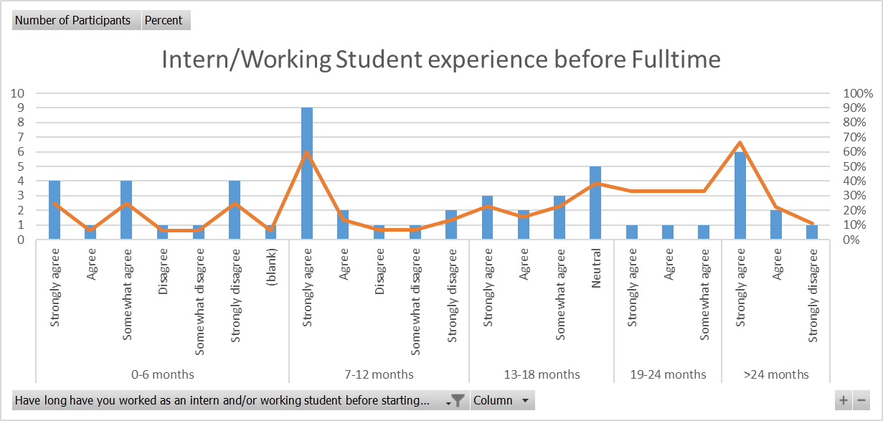

 | Strongly agree | Agree | Somewhat agree | Neutral | Somewhat disagree | Disagree | Strongly disagree
0-6 months | 21.4% | 7.1% | 28.6% | 0.0% | 7.1% | 7.1% | 28.6%
7-12 months | 57.1% | 14.3% | 0.0% | 0.0% | 7.1% | 7.1% | 14.3%
13-18 months | 25.0% | 16.7% | 25.0% | 33.3% | 0.0% | 0.0% | 0.0%
19-24 months | 33.3% | 33.3% | 33.3% | 0.0% | 0.0% | 0.0% | 0.0%
>24 months | 71.4% | 28.6% | 0.0% | 0.0% | 0.0% | 0.0% | 0.0%

2 | Skills acquired according to university type
 |  | Soft skills | Hard skills | Count
 | Technical University | 73.0% | 60.6% | 100
 | University of Applied Sciences | 79.8% | 63.5% | 104
 | Duale Hochschule | 66.7% | 88.9% | 9

 | Public | 73.8% | 63.2% | 145
 | Private | 79.4% | 58.8% | 68

3 | Willingness to learn
 | More than 90% across all categories are willing to learn

4 | Learning preference
 | In all cases, 1) Workbased learning, 2)Online learning, 3)Classroom learning
 | Except, age group 35&<. 1)Online learning, 2)Workbased learning, 3) Classroom learning

5 | Agreement order that the university course helped in acquiring skills |  |  |  |  | Soft skills | Hard skills | Count
 | 1)Fulltime, 2)Working student, 3)Intern |  |  |  | Fulltime | 78.0% | 64.4% | 59
 |  |  |  |  | Working student | 77.4% | 62.9% | 106
6 | Specialist Certification motivates to enrol and complete course |  |  |  | Intern | 68.8% | 56.3% | 48
 | More that 85% agree across all groups

7 | Overall skills acquired from University (Deriving from Soft+Hard skills)
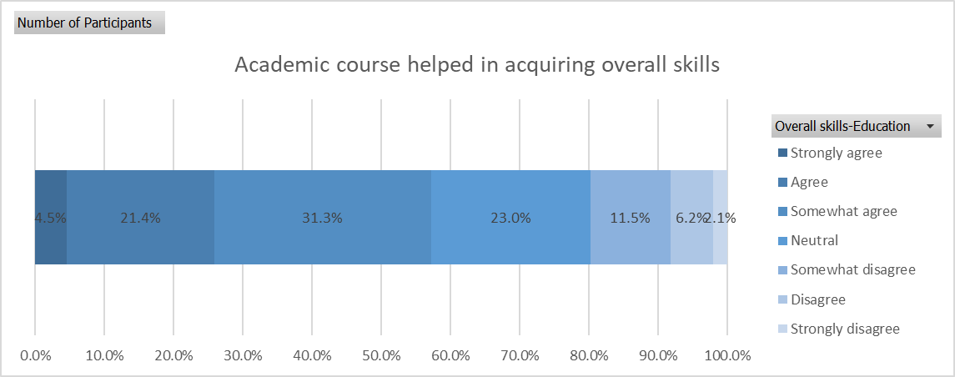

8 | Positive relation between how often you participate in learning course and when was the last time you participated in learning course
 | More than 4 times a year, either currently the course is ongoing or participated 0-3months ago
 | Never, did not participate in learning course are nearly equal

9 | Agreement that university course helps in acquiring required skills increases with age group, excep for 35&< |  |  |  |  | Soft skills | Hard skills | Count
 |  |  |  |  | 20-24 | 73.9% | 60.9% | 69
 |  |  |  |  | 25-29 | 77.9% | 61.2% | 122
 |  |  |  |  | 30-34 | 80.0% | 80.0% | 15
 |  |  |  |  | 35&< | 42.9% | 42.9% | 7

